Chart1
Lapse Rate Analysis
 | Measured Lapse Rate From Sounding (K/km) |  | Lapse Rate From Satellite Wavelength Measurement
11.94 | 1.516 | 9.50 | 1.516
8.54 | 1.583 | 9.47 | 1.583
8.52 | 1.829 | 9.25 | 1.829
8.16 | 2.134 | 9.30 | 2.134
9.55 | 2.281 | 9.39 | 2.281
9.51 | 2.438 | 9.51 | 2.438
4.76 | 2.701 | 9.52 | 2.701
4.23 | 2.743 | 9.52 | 2.743
8.59 | 2.885 | 9.40 | 2.885
0.00 | 3.048 | 9.27 | 3.048
8.60 | 3.05 | 9.31 | 3.05
5.22 | 3.399 | 9.32 | 3.399
10.34 | 3.514 | 9.32 | 3.514
3.57 | 3.63 | 9.32 | 3.63
4.32 | 3.658 | 9.32 | 3.658
16.67 | 3.82 | 9.33 | 3.82
13.33 | 3.892 | 9.33 | 3.892
-10.00 | 3.952 | 9.33 | 3.952
-7.89 | 3.962 | 9.33 | 3.962
-12.90 | 4 | 9.23 | 4
-14.29 | 4.062 | 9.13 | 4.062
7.53 | 4.174 | 8.89 | 4.174
7.21 | 4.267 | 8.63 | 4.267
7.25 | 4.877 | 8.35 | 4.877
8.30 | 5.58 | 7.79 | 5.58
5.88 | 6.062 | 7.35 | 6.062
6.98 | 6.096 | 7.35 | 6.096
5.78 | 6.955 | 5.97 | 6.955
-3.85 | 7.128 | 5.61 | 7.128
2.11 | 7.18 | 5.48 | 7.18
7.74 | 7.465 | 5.62 | 7.465
8.26 | 7.62 | 5.64 | 7.62
2.72 | 7.741 | 4.72 | 7.741
2.93 | 7.925 | 3.06 | 7.925
6.79 | 8.164 | 2.58 | 8.164
3.74 | 8.93 | 1.37 | 8.93
0.00 | 9.144 | 1.04 | 9.144
4.44 | 9.15 | 0.86 | 9.15
6.70 | 9.24 | 0.69 | 9.24
6.67 | 9.449 | 0.37 | 9.449
6.98 | 9.584 | 0.41 | 9.584
3.81 | 9.799 | 0.65 | 9.799
0.00 | 10.272 | 1.27 | 10.272
0.00 | 10.35 | 1.45 | 10.35
-2.62 | 10.363 | 1.62 | 10.363
0.00 | 10.668 | 4.57 | 10.668
5.69 | 10.67 | 4.57 | 10.67
-3.85 | 11.478 | 4.12 | 11.478
-3.85 | 11.582 | 4.11 | 11.582
-3.09 | 11.79 | 6.05 | 11.79
...

Chart1 (3)
Lapse Rate Analysis
 | Measured Lapse Rate From Sounding (K/km) |  | Lapse Rate From Satellite Wavelength Measurement
11.94 | 1.516 | 9.50 | 1.516
8.54 | 1.583 | 9.47 | 1.583
8.52 | 1.829 | 9.25 | 1.829
8.16 | 2.134 | 9.30 | 2.134
9.55 | 2.281 | 9.39 | 2.281
9.51 | 2.438 | 9.51 | 2.438
4.76 | 2.701 | 9.52 | 2.701
4.23 | 2.743 | 9.52 | 2.743
8.59 | 2.885 | 9.40 | 2.885
0.00 | 3.048 | 9.27 | 3.048
8.60 | 3.05 | 9.31 | 3.05
5.22 | 3.399 | 9.32 | 3.399
10.34 | 3.514 | 9.32 | 3.514
3.57 | 3.63 | 9.32 | 3.63
4.32 | 3.658 | 9.32 | 3.658
16.67 | 3.82 | 9.33 | 3.82
13.33 | 3.892 | 9.33 | 3.892
-10.00 | 3.952 | 9.33 | 3.952
-7.89 | 3.962 | 9.33 | 3.962
-12.90 | 4 | 9.23 | 4
-14.29 | 4.062 | 9.13 | 4.062
7.53 | 4.174 | 8.89 | 4.174
7.21 | 4.267 | 8.63 | 4.267
7.25 | 4.877 | 8.35 | 4.877
8.30 | 5.58 | 7.79 | 5.58
5.88 | 6.062 | 7.35 | 6.062
6.98 | 6.096 | 7.35 | 6.096
5.78 | 6.955 | 5.97 | 6.955
-3.85 | 7.128 | 5.61 | 7.128
2.11 | 7.18 | 5.48 | 7.18
7.74 | 7.465 | 5.62 | 7.465
8.26 | 7.62 | 5.64 | 7.62
2.72 | 7.741 | 4.72 | 7.741
2.93 | 7.925 | 3.06 | 7.925
6.79 | 8.164 | 2.58 | 8.164
3.74 | 8.93 | 1.37 | 8.93
0.00 | 9.144 | 1.04 | 9.144
4.44 | 9.15 | 0.86 | 9.15
6.70 | 9.24 | 0.69 | 9.24
6.67 | 9.449 | 0.37 | 9.449
6.98 | 9.584 | 0.41 | 9.584
3.81 | 9.799 | 0.65 | 9.799
0.00 | 10.272 | 1.27 | 10.272
0.00 | 10.35 | 1.45 | 10.35
-2.62 | 10.363 | 1.62 | 10.363
0.00 | 10.668 | 4.57 | 10.668
5.69 | 10.67 | 4.57 | 10.67
-3.85 | 11.478 | 4.12 | 11.478
-3.85 | 11.582 | 4.11 | 11.582
-3.09 | 11.79 | 6.05 | 11.79
...

Chart1 (2)
Brunt Vaisalla Frequency Analysis
 | Brunt Vaisalla Freq (1/minute)
0.00 | 1.516
12.75 | 1.583
12.86 | 1.829
14.62 | 2.134
5.78 | 2.281
6.32 | 2.438
25.85 | 2.701
27.20 | 2.743
12.73 | 2.885
36.18 | 3.048
12.73 | 3.05
24.90 | 3.399
0.00 | 3.514
29.12 | 3.63
27.32 | 3.658
0.00 | 3.82
0.00 | 3.892
52.17 | 3.952
49.31 | 3.962
55.82 | 4
57.40 | 4.062
17.62 | 4.174
18.81 | 4.267
18.82 | 4.877
14.62 | 5.58
23.76 | 6.062
20.16 | 6.096
24.38 | 6.955
44.97 | 7.128
33.77 | 7.18
17.52 | 7.465
15.18 | 7.62
32.59 | 7.741
32.13 | 7.925
21.32 | 8.164
30.57 | 8.93
38.93 | 9.144
28.79 | 9.15
21.94 | 9.24
22.12 | 9.449
21.04 | 9.584
30.74 | 9.799
39.45 | 10.272
39.45 | 10.35
44.41 | 10.363
39.38 | 10.668
25.51 | 10.67
46.94 | 11.478
46.90 | 11.582
45.51 | 11.79
...

notes
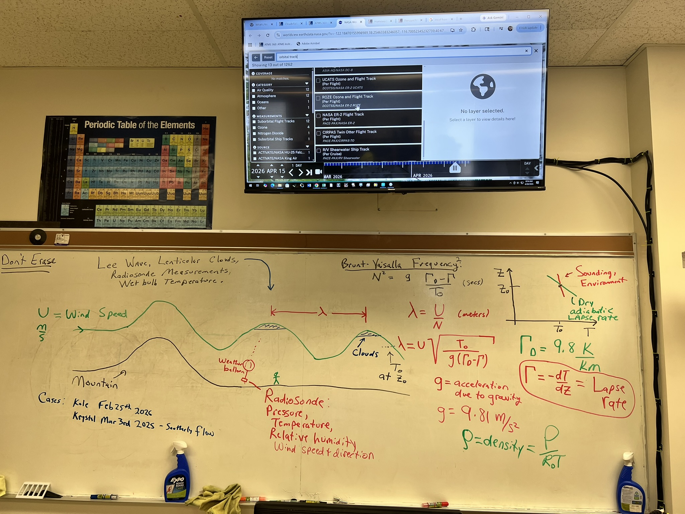

MODIS AQUA
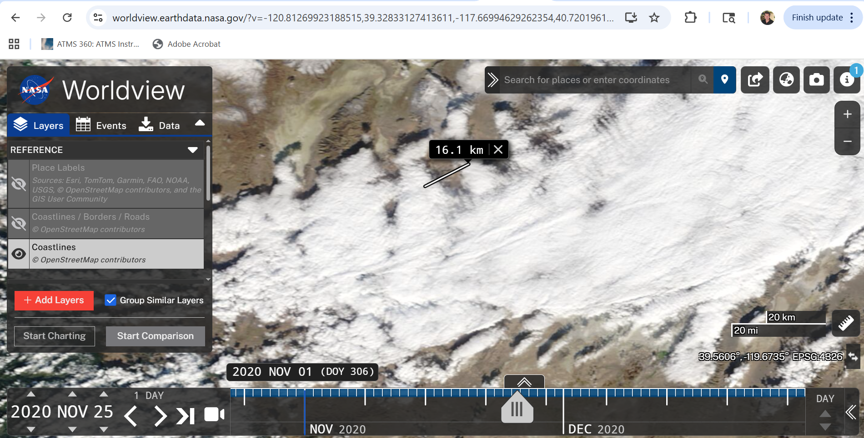

soundingGif
